Hoja1
SUBNETING |  | 172.17.0.0/16

64

172.17.0.0 |  |  | 172.17.0.63
172.17.0.64 | 172.17.0.65 |  | 172.17.0.127 | LAN 1
172.17.0.128 | 172.17.0.129 |  | 172.17.0.191 | LAN 2
172.17.0.192 | 172.17.0.193 | 172.17.0.194 | 172.17.0.255 | SERIAL

VLSM

BROADCAST | 1ERA IP USA | ULTI IP USA | Columna1 | RED | Columna2 | BITS PARA SUBRED | SUBRED | BITS PARA HOST | HOST | masknet
172.17.0.0 | 172.17.0.1 | 172.17.0.62 | 172.17.0.63 | LAN 2 | 2^6 | 16+6 | /22 | 32-6 | 26 | 255,255,255,192
172.17.0.64 | 172.17.0.65 | 172.17.0.94 | 172.17.0.95 | LAN 1 | 2^5 | 16+5 | /21 | 32-5 | 27 | 255,255,255,224
172.17.0.96 | 172.17.0.97 | 172.17.0.98 | 172.17.0.99 | SERIAL | 2^2 | 16+2 | /18 | 32-2 | 30 | 255,255,255,252

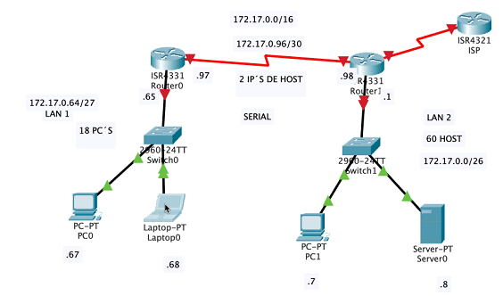
 |  |  |  |  |  |  |  |  |  |  |  | 1
 |  |  |  |  |  |  |  | 2^4 | 2^3 | 2^2 | 2^1 | 2^0

 |  |  |  |  |  |  |  |  |  | 2^7 | 2^6 | 2^5
 |  |  |  |  |  |  |  |  |  | 128 | 64 | 32
 |  |  |  |  |  |  |  | 6
 |  |  |  |  |  |  |  | 64

 |  |  |  |  |  |  |  | 255.255.252.0 | 128 | 64 | 32 | 16 | 8 | 4

 |  |  |  |  |  |  |  |  |  |  | 224
 |  |  |  |  |  |  |  |  | 1024

Hoja2
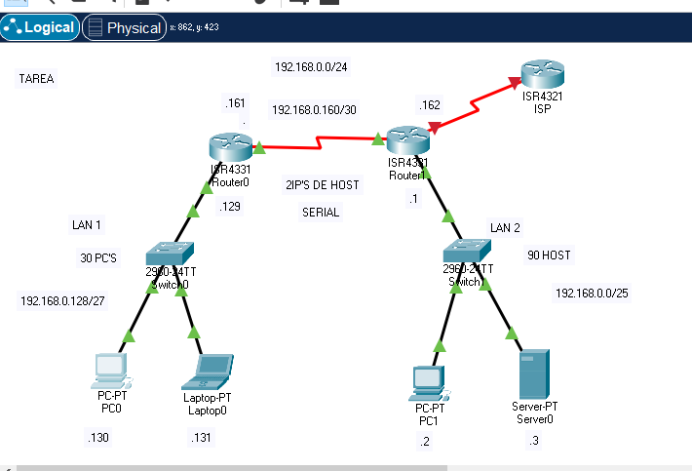
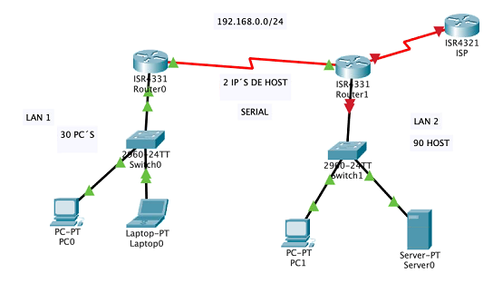

VLSM

BROADCAST | 1ERA IP USA | ULTI IP USA | Columna1 | RED | Columna2 | BITS PARA SUBRED | SUBRED | BITS PARA HOST | HOST | masknet
192.168.0.0 | 192.168.0.1 | 192.168.0.126 | 192.168.0.127 | LAN 2 | 2^7 | 24+7 | /31 | 32-7 | 25 | 255,255,255,128
192.168.0.128 | 192.168.0.129 | 192.168.0.158 | 192.168.0.159 | LAN 1 | 2^5 | 24+5 | /29 | 32-5 | 27 | 255,255,255,224
192.168.0.160 | 192.168.0.161 | 192.168.0.162 | 192.168.0.163 | SERIAL | 2^2 | 24+2 | /26 | 32-2 | 30 | 255,255,255,252 | 128
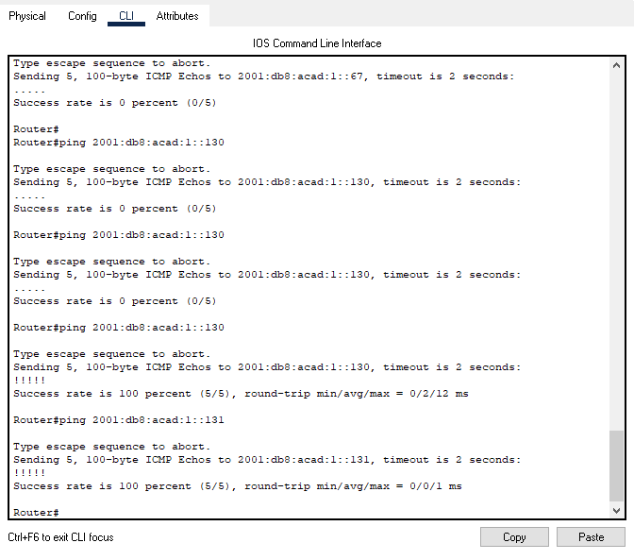
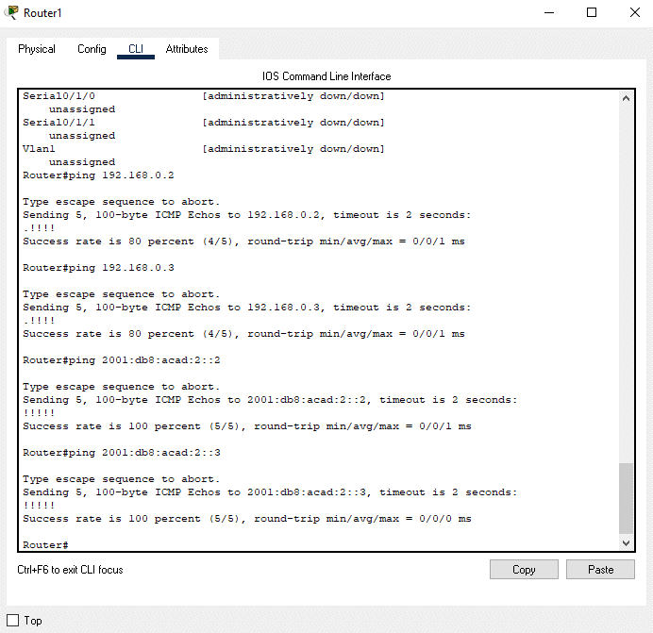
 |  |  |  |  |  |  |  |  |  |  | 64
 |  |  |  |  |  |  |  |  |  |  | 192

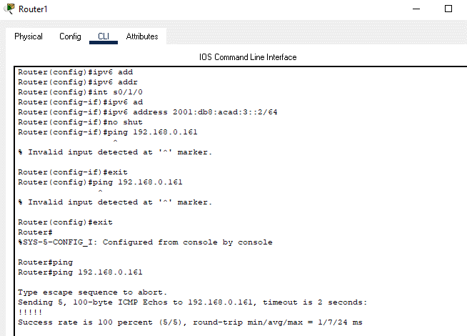

192.168.1.0 | 24 |  | 64

BROADCAST | 1ERA IP USA | ULTI IP USA | Columna1 | RED | Columna2 | BITS PARA SUBRED | SUBRED | BITS PARA HOST | HOST | masknet
192.168.1.0 | 192.168.1.1 | 192.168.1.63 | 192.168.1.64 | LAN 2 | 2^7 | 24+7 | /31 | 32-7 | 25 | 255,255,255,128
192.168.1.64 | 192.168.1.65 | 192.168.1.126 | 192.168.1.127 | LAN 1 | 2^6 | 24+6 | /30 | 32-6 | 27 | 255,255,255,192
192.168.0.160 | 192.168.0.161 | 192.168.0.162 | 192.168.0.163 | SERIAL | 2^2 | 24+2 | /26 | 32-2 | 30 | 255,255,255,252

A | 100 | 128 | 25 |  | 192.168.1.0
B | 50 | 64 | 26 |  | 192.168.1.128
C | 25 | 32 | 27 |  | 192.168.1.160
D | 2 | 4 | 30 |  | 192.168.1.164

